Sheet1
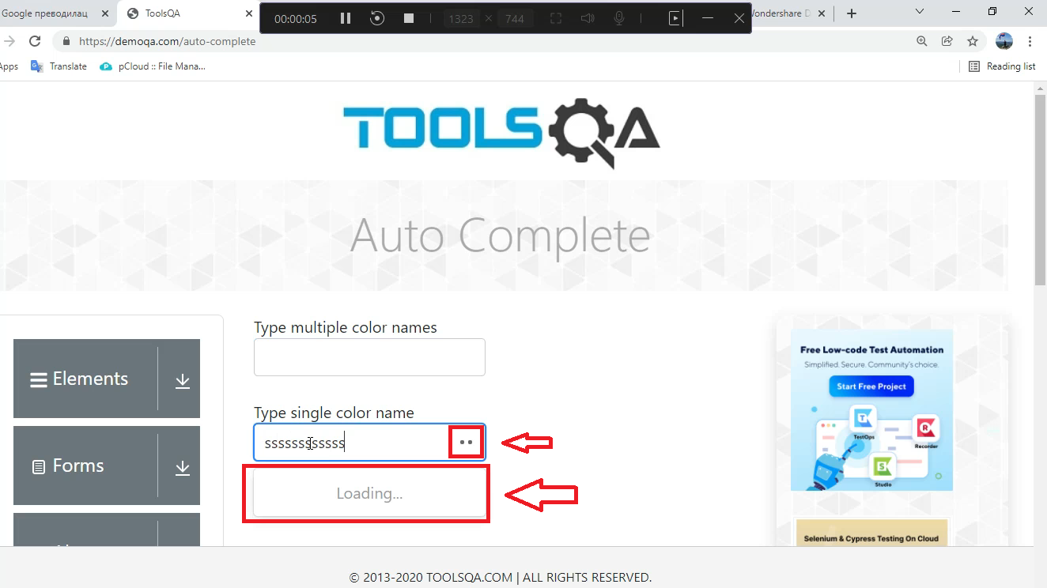
 | Summary

 | The appearance of an unwanted element on the autocomplete input field | Nije jasan summary

 | Description

 | When the user visits the page https: //demoqa.com/, then clicks on the linked Widgets element and when goes to the Widgets page and in the drop-down menu on the left side select Auto Complete, two input fields will appear. When the user enters a letter, number or symbol that does not contain one of the offered autocomplete solutions, for a moment it appears as a pop-up "loading" and two dots at the end of the input field.

 | Steps to reproduce

 | 1. Open Google Chrome browser 2. Go to URL: https: //demoqa.com/ 3. Click on Widgets linked element 4. In dropdown menu on the left side of page click on Auto Complete 5. Enter in any of the two input fields any letter, number or symbol for which no autocomplete is offered
 | 8
 | Expected Result

 | The entered letter, number or symbol is visible and no autocomplete is offered

 | Actual result

 | The entered letter, number or symbol is visible and at the time of entry some pop up "loading" and two dots at the end of the input field appear.

 | Priority: Low
 | Severity: Low
 | Repro rate: 100%

 | Screenshot

